Format
SAVE CONTINUOUSLY
ANSWER QUESTION 1 |  |  |  |  |  |  |  | Distribution Table
 |  |  |  |  |  |  |  | Z | 0 | 0.01 | 0.02 | 0.03 | 0.04 | 0.05 | 0.06 | 0.07 | 0.08 | 0.09
 |  |  |  |  |  |  |  | 0 | 0.5 | 0.50399 | 0.50798 | 0.51197 | 0.51595 | 0.51994 | 0.52392 | 0.5279 | 0.53188 | 0.53586
Formula to compute the Cu |  | 200 - 15 - 100 + 5 |  |  |  |  |  | 0.1 | 0.53983 | 0.5438 | 0.54776 | 0.55172 | 0.55567 | 0.55962 | 0.56356 | 0.56749 | 0.57142 | 0.57535
 |  |  |  |  |  |  |  | 0.2 | 0.57926 | 0.58317 | 0.58706 | 0.59095 | 0.59483 | 0.59871 | 0.60257 | 0.60642 | 0.61026 | 0.61409
 |  |  |  |  |  |  |  | 0.3 | 0.61791 | 0.62172 | 0.62552 | 0.6293 | 0.63307 | 0.63683 | 0.64058 | 0.64431 | 0.64803 | 0.65173
 |  |  |  |  |  |  |  | 0.4 | 0.65542 | 0.6591 | 0.66276 | 0.6664 | 0.67003 | 0.67364 | 0.67724 | 0.68082 | 0.68439 | 0.68793
 |  |  |  |  |  |  |  | 0.5 | 0.69146 | 0.69497 | 0.69847 | 0.70194 | 0.7054 | 0.70884 | 0.71226 | 0.71566 | 0.71904 | 0.7224
 |  |  |  |  |  |  |  | 0.6 | 0.72575 | 0.72907 | 0.73237 | 0.73565 | 0.73891 | 0.74215 | 0.74537 | 0.74857 | 0.75175 | 0.7549
 |  |  |  |  |  |  |  | 0.7 | 0.75804 | 0.76115 | 0.76424 | 0.7673 | 0.77035 | 0.77337 | 0.77637 | 0.77935 | 0.7823 | 0.78524
Cu Value |  | 90 |  |  |  |  |  | 0.8 | 0.78814 | 0.79103 | 0.79389 | 0.79673 | 0.79955 | 0.80234 | 0.80511 | 0.80785 | 0.81057 | 0.81327
 |  |  |  |  |  |  |  | 0.9 | 0.81594 | 0.81859 | 0.82121 | 0.82381 | 0.82639 | 0.82894 | 0.83147 | 0.83398 | 0.83646 | 0.83891
Formula to compute Co |  | 100 + 15 - 5 |  |  |  |  |  | 1 | 0.84134 | 0.84375 | 0.84614 | 0.84849 | 0.85083 | 0.85314 | 0.85543 | 0.85769 | 0.85993 | 0.86214
 |  |  |  |  |  |  |  | 1.1 | 0.86433 | 0.8665 | 0.86864 | 0.87076 | 0.87286 | 0.87493 | 0.87698 | 0.879 | 0.881 | 0.88298
 |  |  |  |  |  |  |  | 1.2 | 0.88493 | 0.88686 | 0.88877 | 0.89065 | 0.89251 | 0.89435 | 0.89617 | 0.898 | 0.900 | 0.901
 |  |  |  |  |  |  |  | 1.3 | 0.9032 | 0.9049 | 0.90658 | 0.90824 | 0.90988 | 0.91149 | 0.91309 | 0.91466 | 0.91621 | 0.91774
 |  |  |  |  |  |  |  | 1.4 | 0.91924 | 0.92073 | 0.9222 | 0.92364 | 0.92507 | 0.92647 | 0.92785 | 0.92922 | 0.93056 | 0.93189
 |  |  |  |  |  |  |  | 1.5 | 0.93319 | 0.93448 | 0.93574 | 0.93699 | 0.93822 | 0.93943 | 0.94062 | 0.94179 | 0.94295 | 0.94408
 |  |  |  |  |  |  |  | 1.6 | 0.9452 | 0.9463 | 0.94738 | 0.94845 | 0.9495 | 0.95053 | 0.95154 | 0.95254 | 0.95352 | 0.95449
Co Value |  | 110 |  |  |  |  |  | 1.7 | 0.95543 | 0.95637 | 0.95728 | 0.95818 | 0.95907 | 0.95994 | 0.9608 | 0.96164 | 0.96246 | 0.96327
 |  |  |  |  |  |  |  | 1.8 | 0.96407 | 0.96485 | 0.96562 | 0.96638 | 0.96712 | 0.96784 | 0.96856 | 0.96926 | 0.96995 | 0.97062
Formula to compute PL |  | P(X=< 700) = 0.9 |  |  |  |  |  | 1.9 | 0.97128 | 0.97193 | 0.97257 | 0.9732 | 0.97381 | 0.97441 | 0.975 | 0.97558 | 0.97615 | 0.9767
PLEASE INDICATE ALL THE STEPS AND THE PARAMETERS NEEDED TO ARRIVE TO THE ANSWER |  | P(X<(700-500)/Sigma)=0.9 |  |  |  |  |  | 2 | 0.97725 | 0.97778 | 0.97831 | 0.97882 | 0.97932 | 0.97982 | 0.9803 | 0.98077 | 0.98124 | 0.98169
 |  | F(x) = | 1.28 |  |  |  |  | 2.1 | 0.98214 | 0.98257 | 0.983 | 0.98341 | 0.98382 | 0.98422 | 0.98461 | 0.985 | 0.98537 | 0.98574
 |  | 200/Sigma = 1.28 |  |  |  |  |  | 2.2 | 0.9861 | 0.98645 | 0.98679 | 0.98713 | 0.98745 | 0.98778 | 0.98809 | 0.9884 | 0.9887 | 0.98899
 |  | Sigma = | 156.25 |  |  |  |  | 2.3 | 0.98928 | 0.98956 | 0.98983 | 0.9901 | 0.99036 | 0.99061 | 0.99086 | 0.99111 | 0.99134 | 0.99158
 |  |  |  |  |  |  |  | 2.4 | 0.9918 | 0.99202 | 0.99224 | 0.99245 | 0.99266 | 0.99286 | 0.99305 | 0.99324 | 0.99343 | 0.99361
 |  | P(X<c) = Cu/Co+Cu | 0.45 |  |  |  |  | 2.5 | 0.99379 | 0.99396 | 0.99413 | 0.9943 | 0.99446 | 0.99461 | 0.99477 | 0.99492 | 0.99506 | 0.9952
 |  |  |  |  |  |  |  | 2.6 | 0.99534 | 0.99547 | 0.9956 | 0.99573 | 0.99585 | 0.99598 | 0.99609 | 0.99621 | 0.99632 | 0.99643
PL final value |  | 570.31 | =>>> | 571 | Full price pl |  |  | 2.7 | 0.99653 | 0.99664 | 0.99674 | 0.99683 | 0.99693 | 0.99702 | 0.99711 | 0.9972 | 0.99728 | 0.99736
 |  |  |  |  |  |  |  | 2.8 | 0.99744 | 0.99752 | 0.9976 | 0.99767 | 0.99774 | 0.99781 | 0.99788 | 0.99795 | 0.99801 | 0.99807
 |  |  |  |  |  |  |  | 2.9 | 0.99813 | 0.99819 | 0.99825 | 0.99831 | 0.99836 | 0.99841 | 0.99846 | 0.99851 | 0.99856 | 0.99861
ANSWER QUESTION 2 |  |  |  |  |  |  |  | 3 | 0.99865 | 0.99869 | 0.99874 | 0.99878 | 0.99882 | 0.99886 | 0.99889 | 0.99893 | 0.99896 | 0.999
 |  |  |  |  |  |  |  | 3.1 | 0.99903 | 0.99906 | 0.9991 | 0.99913 | 0.99916 | 0.99918 | 0.99921 | 0.99924 | 0.99926 | 0.99929
 |  |  |  |  |  |  |  | 3.2 | 0.99931 | 0.99934 | 0.99936 | 0.99938 | 0.9994 | 0.99942 | 0.99944 | 0.99946 | 0.99948 | 0.9995
Formula to compute the costs |  | 0.8*X*10+0.9*(1000-571)*10 |  | appt |  |  |  | 3.3 | 0.99952 | 0.99953 | 0.99955 | 0.99957 | 0.99958 | 0.9996 | 0.99961 | 0.99962 | 0.99964 | 0.99965
 |  | + 35 * 1000 |  | dinn |  |  |  | 3.4 | 0.99966 | 0.99968 | 0.99969 | 0.9997 | 0.99971 | 0.99972 | 0.99973 | 0.99974 | 0.99975 | 0.99976
 |  | + 1000 * 3 |  | flyer |  |  |  | 3.5 | 0.99977 | 0.99978 | 0.99978 | 0.99979 | 0.9998 | 0.99981 | 0.99981 | 0.99982 | 0.99983 | 0.99983
 |  | + 5000 |  | sec |  |  |  | 3.6 | 0.99984 | 0.99985 | 0.99985 | 0.99986 | 0.99986 | 0.99987 | 0.99987 | 0.99988 | 0.99988 | 0.99989
 |  | + X * 15 + (1000-571)*5 |  |  |  |  |  | 3.7 | 0.99989 | 0.9999 | 0.9999 | 0.9999 | 0.99991 | 0.99991 | 0.99992 | 0.99992 | 0.99992 | 0.99992
 |  | =>> (0.8*X*10) + (0.9*(1000-571)*10 )+ (35 * 1000) + (1000 * 3 ) + 5000 |  |  |  |  |  | 3.8 | 0.99993 | 0.99993 | 0.99993 | 0.99994 | 0.99994 | 0.99994 | 0.99994 | 0.99995 | 0.99995 | 0.99995
 |  |  |  |  |  |  |  | 3.9 | 0.99995 | 0.99995 | 0.99996 | 0.99996 | 0.99996 | 0.99996 | 0.99996 | 0.99996 | 0.99997 | 0.99997
Costs Value |  | 49006+ 23*X
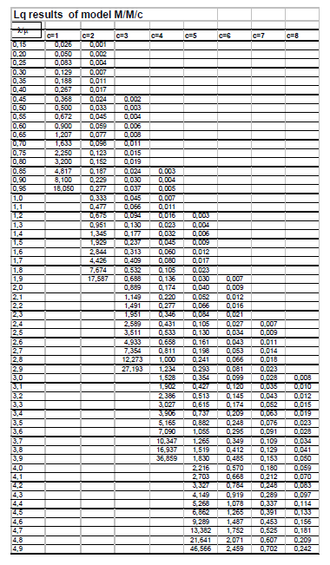
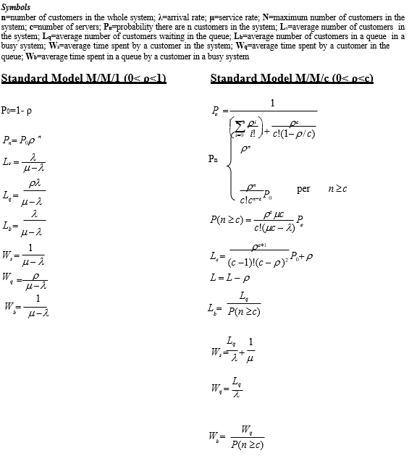

Formula to compute the revenues |  | X * 220 + (1000-571)*100

Revenues Value |  | 42900 + 220*X

Probability and X computation |  | Target Prof > 200000
PLEASE INDICATE ALL THE STEPS AND THE PARAMETERS NEEDED TO ARRIVE TO THE ANSWER |  | -6106+197*X > 200000

 |  | X > | 1,046

 |  | the capacity is 1000 so it's impossiblt to sell more than that. There might be a problem in calculations

Probability final value

ANSWER QUESTION 3
 | INSERT YOUR COMPUTATION
INPUT=I
Entrance
Children Room
B

A
CREA room

 |  |  | Entracnce | CREA | Children
 | µ | computation
 |  | Value / h | 30 | 35 | 35
 |  | computation |  | 0.4*50 | 0.6*50
$$γ$$
 |  | Value | 50 | 20 | 30
 | Queue Type | Text | MM2 | mm1 | mm1
 | Ws | computation
 |  | Value | 2.84 | 0.066666666667 | 0.2
$ρ$
 |  | computation
 |  | Value | 1.6666666667 | 0.57142857143 | 0.85714285714

 | YOU CAN PERFORM NODES CALCULATION HERE

 | NOTE

 | Please insert as many raws and columns you need to compute all the paths and insert the names of the stages

 | OCCURRENCES
 | PATHS ID | Entrance | CREA | Children |  | Frequency/ (Occurency) computation | Frequency result | Ws computation | Ws result
 | 1
 | 2
 | 3
 | …
 | …
 | n |  |  |  |  |  |  | Total WS |  | min

 | Notes (optional)

